Sheet1
Absolute | Audio in Abosolute | Movie in Absolute | Audio Time | Movie Time
6:52:48 | 6:52:48 |  | 0:00:00 |  | Start Recording
 | 6:57:51 |  | 0:05:03 |  | End of Last Imp Check Chan 1
 | 6:57:56 |  | 0:05:08 |  | End of Last Imp Check Chan 2 |  |  | Movie to Audio |  | Audio to Movie
 | 6:58:31 | 6:58:31 | 0:05:43 | 0:05:04 | First Chew | Internet |  | 38.8 | sec
 | 7:03:51 |  | 0:11:03 |  | Last Intense Chew | Put bowl away at 10:15 (movie), kept chewing |  | 0:00:39
 | 7:04:16 | 7:04:07 | 0:11:28 | 0:10:40 | Last of Any Chew | Last activity was drinking
 | 7:04:18 |  | 0:11:30 |  | Start of Quiet Period | 7:04:00 | Post reply re: theremin
 |  | 7:04:37 |  | 0:11:10 | Reading on Internet
 |  | 7:04:55 |  | 0:11:28 | Typing
 |  | 7:08:47 |  | 0:15:20 | Stop typing. Move right arm over wires to side of table. Resume surfing | 7:08 Another synth page
 | 7:08:49 |  | 0:16:01 |  | End of Quiet Period?
 |  | 7:08:56 |  | 0:15:29 | Move arm back to computer
 |  | 7:09:03 |  | 0:15:36 | Move arm over wires to side of table. Sill surfing (synth news)
 |  | 7:09:21 |  | 0:15:54 | Take two drinks of juice from cup, tipping head back to finish the cup
 | 7:09:23 |  | 0:16:35 |  | Start of Broadband Noise
 |  | 7:09:34 |  | 0:16:07 | moving jaw in finishing the drink
 |  | 7:09:41 |  | 0:16:14 | finished moving jaw, resume surfing
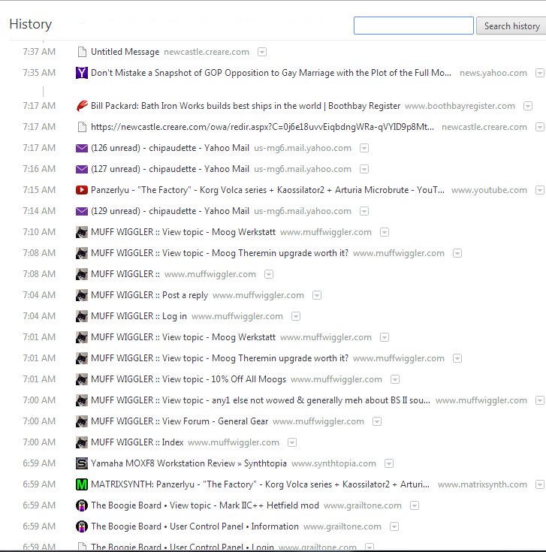
 | 7:09:42 |  | 0:16:54 |  | End of Broadband noise
 |  | 7:09:50 |  | 0:16:23 | Move left hand to mouth and rest there while surfing
 |  | 7:10:10 |  | 0:16:43 | Move hand to computer | 7:10:00 | Another synth page
 |  | 7:10:16 |  | 0:16:49 | Move hand back to mouth
 |  | 7:10:18 |  | 0:16:51 | Hand back and forth to scroll page
 |  | 7:10:25 |  | 0:16:58 | Continued reading and scrolling
 |  | 7:10:34 |  | 0:17:07 | Lift and skootch chair forward, still reading and scrolling on page
 | 7:11:07 |  | 0:18:19 |  | Start of increasing Beta Activity
 |  | 7:11:10 |  | 0:17:43 | Turn attention outdoors to birds
 |  |  |  | 0:18:32 | Movie Ends
 | 7:14:19 |  | 0:21:31 |  | Beta Noise Drops Suddenly | 7:14:00 | Email
 | 7:14:22 |  | 0:21:34 |  | Start of Relatively Low Beta
 | 7:15:09 |  | 0:22:21 |  | Start of Broadband Noise | 7:15:00 | Synth video
 | 7:15:14 |  | 0:22:26 |  | End of Broadband noise
 |  |  |  |  |  | 7:16:00 | yahoo email
 | 7:17:05 |  | 0:24:17 |  | End of Relatively Low Beta | 7:17:00 | yahoo email
 | 7:17:05 |  | 0:24:17 |  | Start of increasing Beta Activity | 7:17:00 | BIW / Zumwalt / Capt Kirk Story
 | 7:19:29 |  | 0:26:41 |  | End of Increasing Beta Activity
 | 7:19:29 |  | 0:26:41 |  | Close Eyes
 | 7:20:57 |  | 0:28:09 |  | Open Eyes
 | 7:20:57 |  | 0:28:09 |  | Start of Quiet Beta Period
 | 7:22:16 |  | 0:29:28 |  | End of Quiet Beta Period
 | 7:22:16 |  | 0:29:28 |  | Start of Intense Beta
 | 7:23:51 |  | 0:31:03 |  | End of Intense Beta
 | 7:23:54 |  | 0:31:06 |  | Close Eyes
 | 7:24:16 |  | 0:31:28 |  | Open Eyes

